Advising & Policy Info
International Business Administration - Advising Information

Departmental Honors: Majors with superior academic performance will be invited to participate in the Departmental Honors Program, which affords outstanding students the opportunity to deepen and broaden their understanding of the business world and to accelerate their search for academic and professional excellence. Honors students are required to write and present a thesis in their senior year. Additional information is available from the Honors Program coordinator Professor Suzanne Bodevin at sbodevin@aup.edu or from the Economics and Management Department Chair.

Course sequencing recommendations:
· Courses required: EC2010, EC2020, MA1020, BA1020 (2 credits), BA2001, BA2002, BA2020, BA2040, BA3010, BA3012, BA3070, BA3075 OR BA3084, BA3500, BA4003, BA4050 (2 credits), BA4080.

· All specifically required courses are offered both fall and spring. BA3075 will be offered in fall semesters; BA3084 will be offered in spring semesters. The following courses have also generally been offered in the summer: MA1020, BA2001, and BA2002.

· Below is a critical path of courses. Students can take courses in later years than shown below as long as prerequisites are met for subsequent courses.

· *Note that BA1020 is a pre-requisite for some upper-level business courses. The purpose of this is to ensure students take the course in the beginning of their program.

· BA4050 is to be taken in the student’s final semester at AUP.
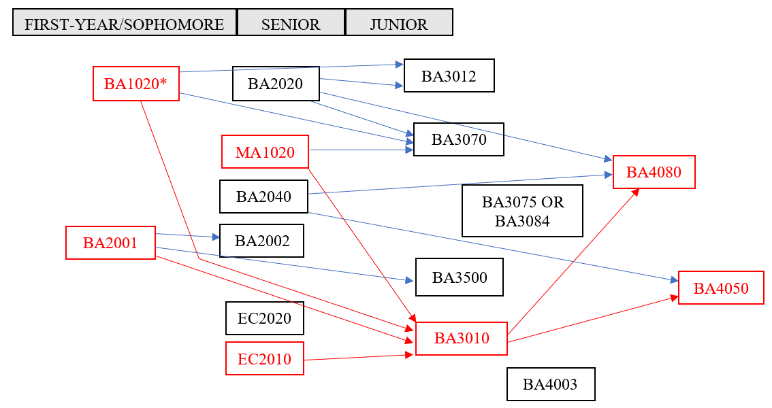

General Academic Policy

GLACC Requirements:

Your four Integrative Inquiry (CCI) courses must: -Be in at least two different disciplines -Be outside of the major discipline -unless- you are double majoring or are completing an interdisciplinary major* -Not count simultaneously for a major requirement -unless- you are double majoring or are completing an interdisciplinary major* *Interdisciplinary majors: 1) Politics, Philosophy and Economics 2) History, Law, and Society 3) Gender, Sexuality, and Society 4) Environmental Studies 5) Middle East Pluralities 6) Math and Computer Science. IMPORTANT: FirstBridge courses count towards Integrative Inquiry regardless of the student’s major discipline and the discipline of the FirstBridge course. Students with transfer courses having earned Integrative Inquiry (CCI) equivalency have to complete at least one (1) Integrative Inquiry (CCI) course at AUP.

Disciplinary Research Methods and Writing (CCR) course -and- AUP Capstone (CCC) course: Students with two majors must complete the CCR and CCC course for each major.

Double Count Policy for GLACC Requirements: Rule 1: Courses can satisfy both a GLACC and a major requirement. The only exception is Integrative Inquiry (CCI): a CCI course cannot count toward a major requirement unless the major is an interdisciplinary major -OR- if a student has a double major. Rule 2: Courses cannot satisfy two GLACC requirements. GLACC double-coded courses (courses that have been approved to count toward multiple GLACC requirements) can only satisfy one of the two GLACC requirements.

Major (& Minor) Requirements:

Transfer courses: 50% of upper-level courses (3000-4000 level) for a major MUST be completed at AUP. Only 8 transferred credits may count toward a minor.

Double Count Policy for Major & Minor Requirements: -Major/Major: A maximum of 5 courses can count simultaneously for two majors. -Major/Minor & Minor/Minor: To complete a minor, at least 3 courses should count solely toward that minor and NOT be applied toward any other minor or major. -Major/FirstBridge courses: FirstBridge courses cannot fulfill course requirements for a major. No exceptions for double majors or interdisciplinary majors. -Minor/FirstBridge courses: FirstBridge courses can fulfill course requirements for a minor.

Additional Policies & Rules:

In addition to fulfilling all the GLACC requirements and the requirements for at least one major, students must have at least 128 earned semester credits (transfer credits included) in order to be eligible to graduate.

Minimum passing grades: -All GLACC, Major & Minor requirements: C- or above. If below, the course does not satisfy the requirement. -Open Elective courses: D- or above. If below, the course does not earn Open Elective credit.

Credit/No Credit: Students may designate one course per semester to be graded ‘Credit/No Credit’ (‘CR/NC’). Any course can be taken ‘CR/NC,’ however, it is not recommended for courses in the major.

Catalog Year: All degree requirements (all GLACC, major, and minor requirements) must be from the same catalog year. You may declare and follow the requirements from any catalog year as long as it is not prior to your year of matriculation at AUP.

Additional transfer course policies: -No more than 64 transfer credits (pre- and post-matriculation combined) can be used towards a degree. -Once matriculated, AUP students may transfer in a maximum of 18 credits from sources other than AUP study abroad programs; a maximum of 36 credits from an AUP study abroad program; -OR- a total of 36 credits from AUP study abroad programs and other sources (with a maximum of 18 credits from other sources). A student’s final 16 credits prior to graduation must be completed at AUP.

Internships: Students who have a minimum of 32 credits may register an internship. A maximum of 4 credits from internships can be counted towards the degree. Internships can be registered at any point in the year, but the internship MUST be registered before the internship begins.

